SELERA OR STIR UP (SYRUP)
DATE | INV NO. | DESCRIPTIONS | QTY | BILLS | PRICE | SUBTOTAL | TOTAL
3-Nov-2025 | SO-2504340 | LOYAL LYCHEE PET | 3 | 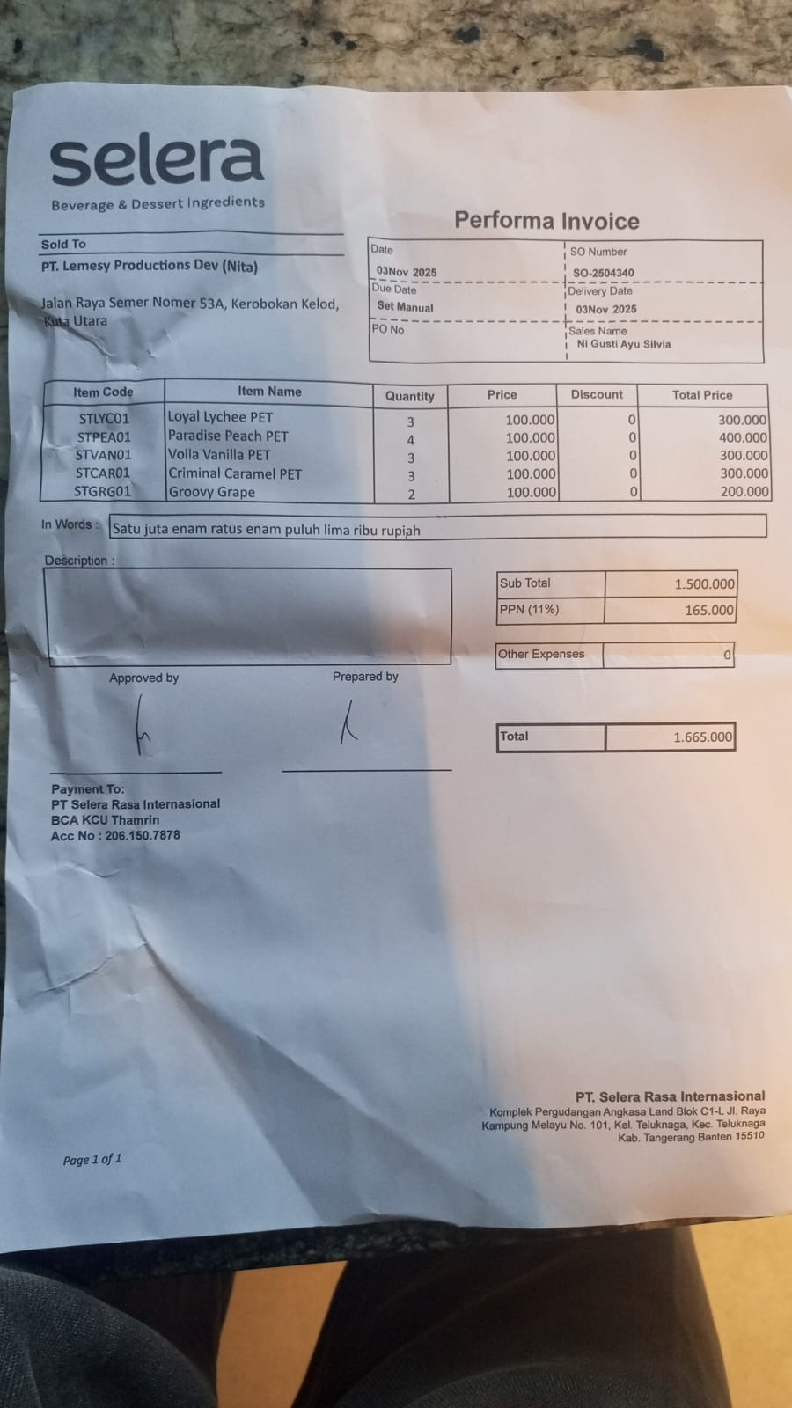 | IDR 100,000 | IDR 300,000 | IDR 1,500,000
 |  | PARADISE PEACH PET | 4 |  | IDR 100,000 | IDR 400,000
 |  | VOILA VANILLA PET | 3 |  | IDR 100,000 | IDR 300,000
 |  | CRIMINAL CARAMEL PET | 3 |  | IDR 100,000 | IDR 300,000
 |  | GROOVY GRAPE | 2 |  | IDR 100,000 | IDR 200,000
SUB TOTAL |  |  | 15 |  | PPN (11%) |  | IDR 165,000
TOTAL |  |  |  | Rp1,665,000.00
 |  |  |  | GRAND TOTAL | Rp1,665,000

